PRD
Product Requirement Document (PRD) - Version: 1.0

Template Name | G-code file sharing platform.
Goals & Objective | The goal of this website is to build a community where users can get help with 3D designing while also sharing 3D printable models and CNC machine designs. It will function as both a collaborative space and a file-sharing platform. From this website user/miner can : - Share and download files - Ask help ,Provide solution to others - Creat account.
Client Information
Product Type | Web Application
Domain | Web2
Access Layers | User, admin
Design Required | Yes

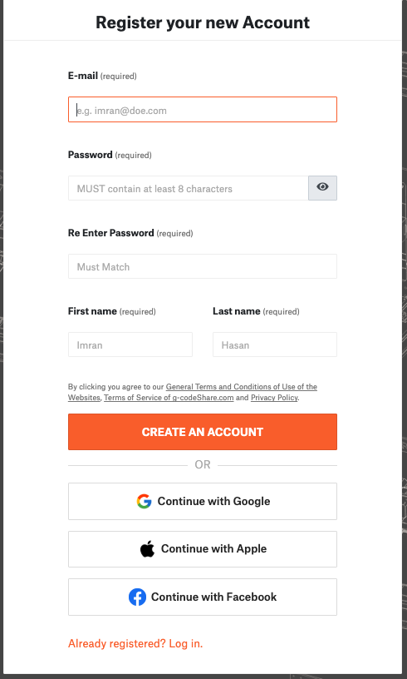
Item No | Specification [Role] | User Story | Acceptance Criteria | UI Screen / Wireframe
Feature: 1 | Auth Feature
1 | Signup [admin] [User] |  | - Email (input) field should only accept valid unregistered email address as input, otherwise will show an 'email already used' message. - Password (input) should be minimum 8 characters long. Otherwise show an invalid message. - Re-password (input) to match password. Otherwise show 'password do not match' message. - . - On clicking creat an account button, credential will be stored in database, user will be redirected to confirm registation by clicking verification link from user's mail. - A copy of the login information will be sent to his email.
2 | Signin [admin] [User] |  | - Email must match database email - password must match database password - User go to dashboard (if email & password match with database) - User is promt with an error. "Email or password does not match!". (if email & password match with database) - clicking signup should take user to signup page - clicking forgot password should take him to forgot password page - clicking continue with Google,Appple,Facebook provide easy login to the account with those platform. | 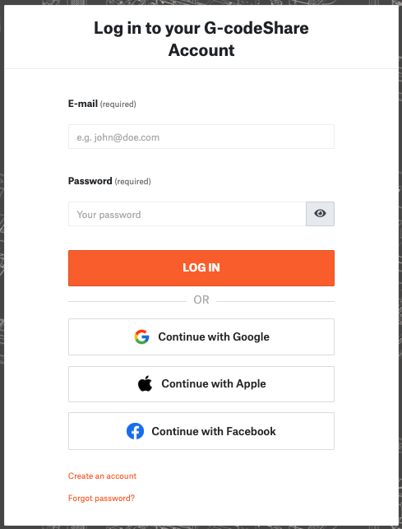
3 | Forgot password[admin] [User] |  | - email must match DB email or promt "No email found!" - pressing submit it will send a password recovery link to the mail Reset link from email will froword to secong page of Reset password - enter new password [At least 8 characters long, atleast one special character] - repeat new password [it should match new password] - clicking submit button will show user -> "password changed" if all info match criteria or it'll indicate what's wrong | 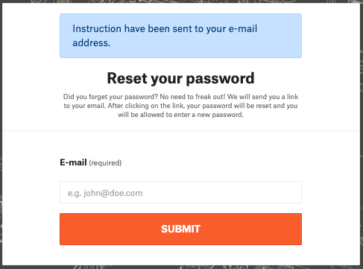 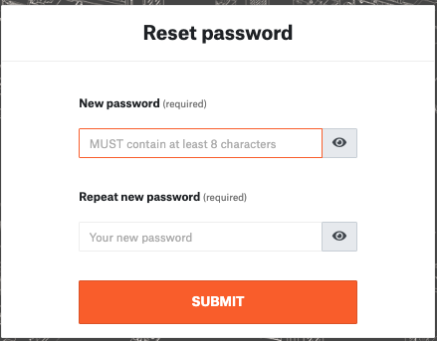
Feature: 2 | Dashboard
4 | Menu [User] |  | - clicking dashboard will take user to dashboard page - go to send money page on click - go to public ledger on Click - go to Latest blocks page on click - go to view profile page on click - go to edit profile page on Click - go to change profile page on Click - go to change password page on Click | 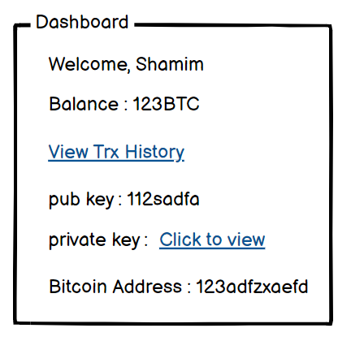
5 | Menu[admin]
6 | Dashboard [admin] [User] |  | - show appropiate Balance ( should not be less than 0) - clicking trx history link will take user to trx history page - public key is shown - private key is only shown when clicked - bitcoin address is shown
Feature: 3 | Top bar and Bottom Bar
7 | Top bar |  | - logout should erase cookie and user should not be able to go to dashboard without login again | 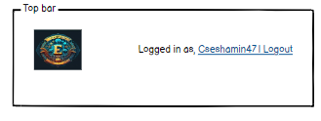
8 | Bottom Bar |  | none
Feature: 4 | Send Money
9 | Send Money[user][miner] |  | - User must enter valid receipient address [otherwise prompt an error] - User must enter amount in valid format [negative, 0 or any charater is not allowed. Only numerics starting > 0 is allowed. The amount must be less than or equals to user's current balance] - User must re-type same amount previously mentioned - User must click sign with private key [otherwise promt an error] - User can write anything in the message box if they want - User have to click submit button after everything is set properly [ clicking submit will add the transaction to the mempool] | 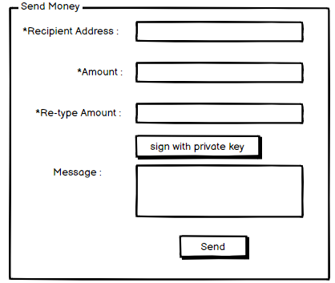
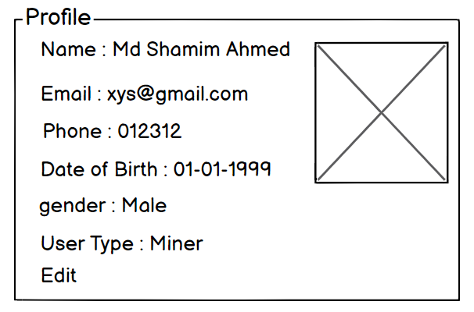
Feature: 10 | Profile
15 | View Profile[miner][user] |  | - No null values - Edit button should take user to edit page
16 | Edit Profile[miner][user] |  | - No null values - email should be in correct format [xyz@abc.com] - phone number should be in correct format [11 digits] - date of birth should be in at least 15 years - clicking save button will either promt with an error if above rules do not meet or a promt notifying the user about successful change | 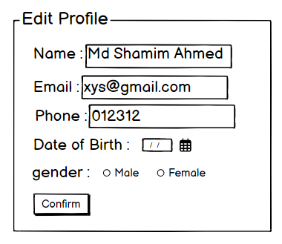
17 | Change Profile Photo[miner][user] |  | - current image/ default image is shown - input file should be an image and not any other format [png,jpg format] - cofirm button should redirect user to view profile page | 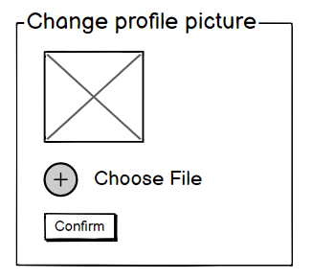
18 | Change Password[miner][user] |  | - user can type current password [it should match database password] - Password (input) should be minimum 8 characters long. Otherwise show an invalid message. - Re-password (input) should match password. Otherwise show 'password do not match' message. - On clicking signup button, credential will be stored in database, user will be prompted with a message. [sucessfully changed / something went wrong] | 